Movie List
NO. | YEAR | TITLE | Total - Box Earnings | STARRING ACTORS | DIRECTOR | COMMENTS
1 | 2009 | 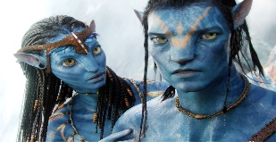 Avatar | $2.8 billion | Sam Worthington, Zoe Saldaña, Stephen Lang, Joel David Moore, CCH Pounder, Giovanni Ribisi, Dileep Rao and Matt Gerald | James Cameron | The love story, while charming, is also clichéd despite being between man and alien. But in the face of these shortcomings, Avatar is a success because its storytelling lies in the brilliant visuals.
2 | 1997 | 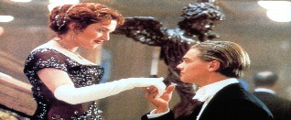 Titanic | $2.2 billion | Leonardo DiCaprio · Kate Winslet · Billy Zane · Kathy Bates · Frances Fisher · Gloria Stuart · Bill Paxton · Bernard Hill | James Cameron | Titanic's success is partially due to the gripping dialogue throughout the movie. Many of the best lines from the film come from the two main characters, Jack and Rose, as their relationship blossoms during the ship's voyage across the Atlantic
3 | 2015 | 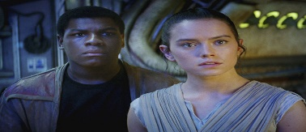 Star-Wars The Force Awakens | $2.07 billion | Daisy Ridley · Rey ; John Boyega · Finn ; Oscar Isaac · Poe Dameron ; Domhnall Gleeson · General Hux ; Harrison Ford · Han Solo | J.J. Abrams | This feature is filled with excellent set pieces which immerses the audience back into the universe. We're given enough plot information, and character development to draw us into the the new generation of characters.
4 | 2018 | 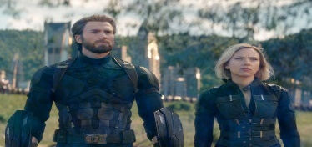 Avengers: Infinity War | $2.05 billion | Robert Downey Jr. · Chris Hemsworth · Mark Ruffalo · Chris Evans · Scarlett Johansson · Don Cheadle · Benedict Cumberbatch · Tom Holland. | Anthony Russo, Joe Russo | Using the strength of its powerful and interesting villain, the movie successfully brings together the past 10 years of Marvel movies into a largely effective cocktail of super-heroic dramatics. Joe and Anthony Russo create a superhero movie that it's every bit the epic that it needs to be.
5 | 1993 | 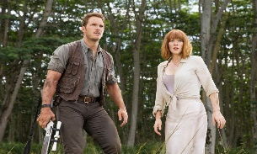 Jurassic Park | $1.7 billion | Sam Neill · Laura Dern · Jeff Goldblum · Richard Attenborough · Bob Peck · Martin Ferrero · BD Wong · Joseph Mazzello | Steven Spielberg | Apart from a few characters who seemed a bit one-dimensional (which is a minor problem in an action film) and the unwritten Spielberg rule that kids cannot die (taking away much of the suspense), the film is amazing. While the CGI isn't quite as beautiful as what we can do today, it STILL looks awesome.
6 | 2012 | 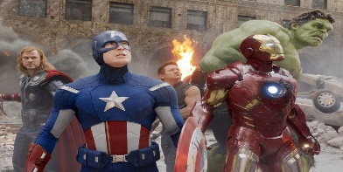 Marvel Avengers | $1.5 billion | Robert Downey Jr. · Chris Evans · Mark Ruffalo · Chris Hemsworth · Scarlett Johansson · Jeremy Renner · Tom Hiddleston · Clark Gregg. | Joss Whedon | Earth's Mightiest Heroes stand as the planet's first line of defence against the most powerful threats in the universe. The Avengers began as a group of extraordinary individuals who were assembled to defeat Loki and his Chitauri army in New York City.
7 | 2015 | 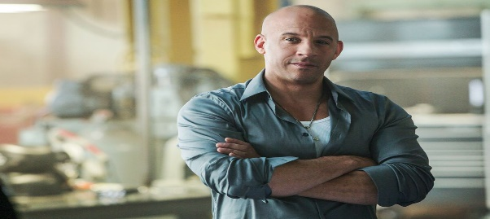 Fast & Furious 7 | $1.5 billion | Vin Diesel · Paul Walker · Jason Statham · Michelle Rodriguez · Jordana Brewster · Tyrese Gibson · Ludacris · Dwayne Johnson. | James Wan | The action scenes have more gleeful energy and absurd humour, and there are more showstoppers than ever before. Additionally, the characters are less about machismo and more about "family" bonding. This element is likely due to Walker's untimely death; his presence lends the movie an elegiac tone.
8 | 2015 | 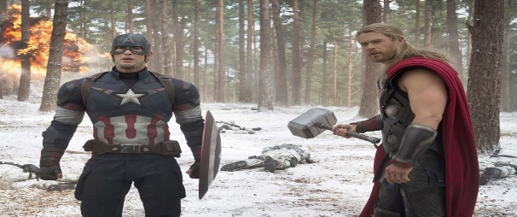 Avenger Age of Ultron | $1.4 billion | Robert Downey Jr. · Chris Hemsworth · Mark Ruffalo · Chris Evans · Scarlett Johansson · Jeremy Renner · James Spader · Samuel L. Jackson. | Joss Whedon | The movie presents both a zenith and a nadir of the Marvel film enterprise. On one hand, the basic plot is atrocious – incoherent, divorced from the franchise’s meta-framework, and riddled with holes. In short, it’s cringe-inducingly bad (bad for a summer action blockbuster, which is saying a lot). On the other hand, it contains the most emotionally evocative scenes in any Marvel movie to date
9 | 2018 | 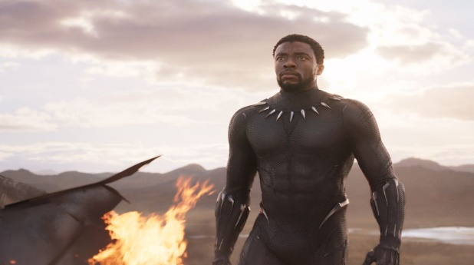 Black Panther | $1.3 billion | Chadwick Bozeman · Michael B. Jordan · Lupita Nyong'o · Danai Gurira · Martin Freeman · Daniel Kaluuya · Letitia Wright · Winston Duke | Ryan Coogler | It’s an action-adventure origin myth which plays less like a conventional superhero film and more like a radical Brigadoon or a delirious adventure. Wakanda is, on the face of it, dirt-poor as well as mountainous, jungly and inaccessible. But the point is that the Wakandans have deliberately cultivated the west’s condescending stereotypes of Africa as camouflage
10 | 2010 | 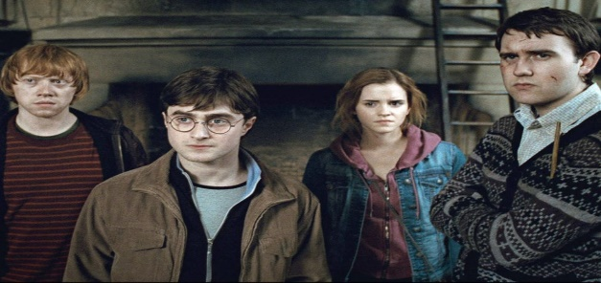 Harry Potter & Deathly Hallows | $1.3 billion | Bill Nighy. Minister Rufus Scrimgeour · Emma Watson ; Richard Griffiths. Vernon Dursley · Harry Melling ; Daniel Radcliffe | David Yates | Harry Potter and the Deathly Hallows moves at breakneck speed. Author J.K. Rowling clambers to tie up loose ends left dangling from the previous six books, creating a final novel with a dark mood and somewhat convoluted story. It's a tale of war, and as such, it's fairly joyless.
11 | 2017 | 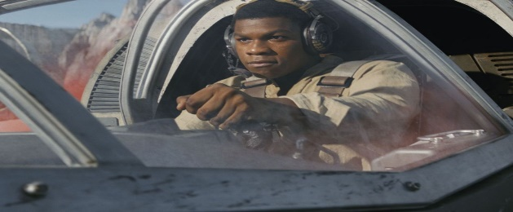 Star Wars Last Jadei | $1.33 billion | Daisy Ridley · Rey ; John Boyega · Finn ; Mark Hamill · Luke Skywalker ; Carrie Fisher · Leia Organa ; Adam Driver · Kylo Ren. | Rian Johnson | The Last Jedi is about many things — subverting expectations, economic inequality, finding your purpose, and on and on. But most of all, 'The Last Jedi' is about failure. The plot practically hits us over the head with the good guys' unrelenting failure. The Resistance's escape from the Ileenium system fails.
12 | 2018 | 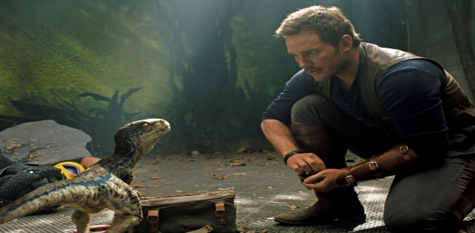 Jurassic World Fall Kingdom | $1.31 billion | Chris Pratt · Owen Grady ; Bryce Dallas Howard · Claire Dearing ; Rafe Spall · Eli Mills ; Justice Smith · Franklin Webb ; Daniella Pineda · Zia Rodriguez. | J. A. Bayona | Three years after the destruction of the Jurassic World theme park, Owen Grady and Claire Dearing return to the island of Isla Nublar to save the remaining dinosaurs from a volcano that's about to erupt.
13 | 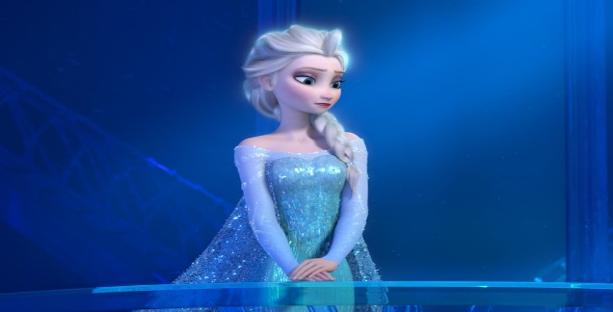 2013 | Frozen | $1.28 billion | Kristen Bell · Idina Menzel · Jonathan Groff · Josh Gad · Santino Fontana · Alan Tudyk · Ciarán Hinds · Chris Williams | Jennifer Lee, Chris Buck | While the two sisters play, young Elsa accidentally hits Anna in the head with an ice blast. Anna is cured by magical forest trolls, but to prevent any future accidents, their parents decide that Elsa must hide her powers until she learns to control them They also erase Anna’s memories of Elsa’s magic without telling Anna why Elsa must avoid her
14 | 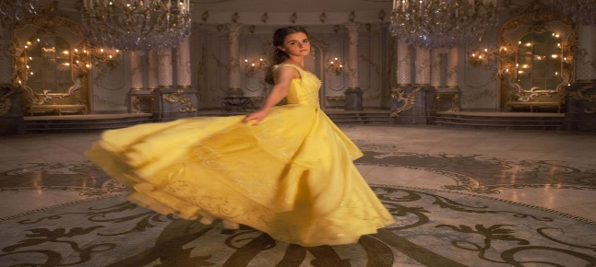 2017 | Beauty & The Beast | $1.26 billion | Emma Watson · Belle ; Dan Stevens · Beast ; Luke Evans · Gaston ; Josh Gad · LeFou ; Kevin Kline · Maurice. | Bill Condon | Beauty and the Beast is a story about a young prince that was cast under a spell. His spell could only be broken with true love. Through many ups and downs, he found love with Beauty, and she, in time, returned his love. They marry and the prince's spell is broken, and they live happily ever after.
15 | 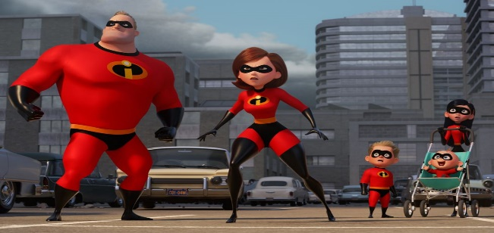 2018 | The Incredible 2 | $1.24 billion | Craig T. Nelson. Bob Parr / Mr. Incredible (voice) · Holly Hunter ; Sarah Vowell. Violet Parr (voice) · Huck Milner ; Catherine Keener. Evelyn Deavor | Brad Bird | Telecommunications guru Winston Deavor enlists Elastigirl to fight crime and make the public fall in love with superheroes once again. That leaves Mr. Incredible with one of his greatest challenges ever -- staying home and taking care of three rambunctious children. As Violet, Dash and Jack-Jack offer him a new set of headaches, a cybercriminal named Screenslaver launches his dastardly plan -- hypnotizing the world through computer screens
16 | 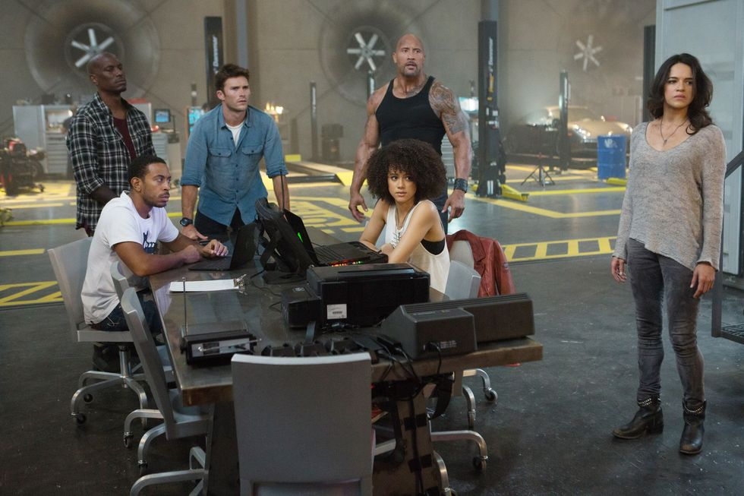 2017 | The Fate of the Furious | $1.23 billion. | in Diesel · Dom ; Jason Statham · Deckard ; Dwayne Johnson · Hobbs ; Michelle Rodriguez · Letty ; Tyrese Gibson | F. Gary Gray | With Dom and Letty married, Brian and Mia retired and the rest of the crew exonerated, the globe-trotting team has found some semblance of a normal life. They soon face an unexpected challenge when a mysterious woman named Cipher forces Dom to betray them all. Now, they must unite to bring home the man who made them a family and stop Cipher from unleashing chaos.
17 | 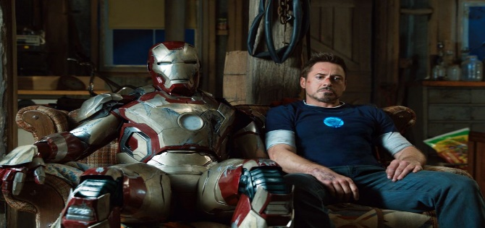 2013 | Iron Man 3 | $1.21 billion. | Robert Downey Jr. Tony Stark ; Guy Pearce · Aldrich Killian ; Gwyneth Paltrow · Pepper Potts ; Don Cheadle · Colonel James Rhodes ; Rebecca Hall | Shane Black | Plagued with worry and insomnia since saving New York from destruction, Tony Stark (Robert Downey Jr.), now, is more dependent on the suits that give him his Iron Man persona -- so much so that every aspect of his life is affected, including his relationship with Pepper (Gwyneth Paltrow). After a malevolent enemy known as the Mandarin (Ben Kingsley) reduces his personal world to rubble, Tony must rely solely on instinct and ingenuity to avenge his losses and protect the people he loves.
18 | 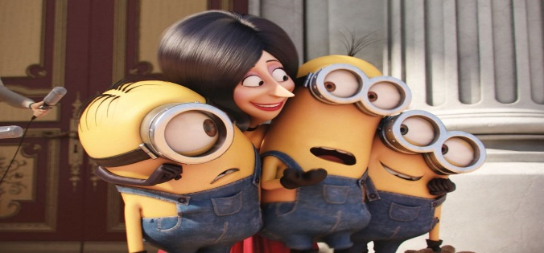 2015 | Minions | $1.159 billion | Sandra Bullock · Scarlet Overkill ; Jon Hamm · Herb Overkill ; Michael Keaton · Walter Nelson ; Pierre Coffin · The Minions ; Allison Janney |  | When everyone’s favorite minions from Despicable Me debuted in their very own film it was a smashing success But that's not all: it was also the second highest animated opening in history.
19 |  2016 | Captain America Civil War | $1.153 billion | Chris Evans · Steve Rogers ; Robert Downey Jr. Tony Stark ; Scarlett Johansson · Natasha Romanoff ; Sebastian Stan · Bucky Barnes ; Anthony Mackie | Anthony Russo | Captain America Civil War' is an enjoyable but slightly overlong MCU movie that has some fantastic spectacle and strong character moments. The plot has an excellent premise with a plausible world reaction to the exploits of a group of people with superpowers and a good villain.
20 | 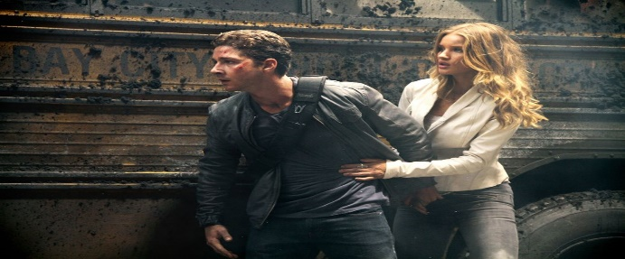 2011 | Transformers : Dark of the Moon | $1.123 billion | Shia LaBeouf · Sam Witwicky ; Rosie Huntington-Whiteley · Carly ; Tyrese Gibson · Epps ; Josh Duhamel · Lennox ; John Turturro | Michael Bay | DARK OF THE MOON has a lot of thrilling action. It has the advantage of having a straightforward plot. Right at the beginning, the audience knows the Deceptions want to take over the world and the Autobots, who are hopelessly outnumbered, need to save it with Sam's help.
21 | 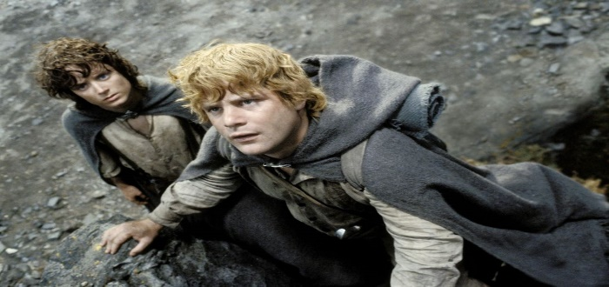 2003 | The Lord of the Rings Return of the King | $1.119 billion | Noel Appleby · Ali Astin · Sean Astin · David Aston · John Bach · Sean Bean · Cate Blanchett · Orlando Bloom | Peter Jackson’s | The culmination of nearly 10 years' work and conclusion to Peter Jackson's epic trilogy based on the timeless J.R.R. Tolkien classic, "The Lord of the Rings: The Return of the King" presents the final confrontation between the forces of good and evil fighting for control of the future of Middle-earth. Hobbits Frodo and Sam reach Mordor in their quest to destroy the `one ring', while Aragorn leads the forces of good against Sauron's evil army at the stone city of Minas Tirith.
22 | 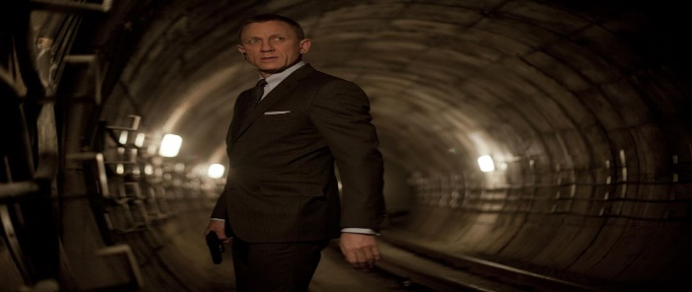 | Skyfall | $1.108 billion | Daniel Craig · Judi Dench · Javier Bardem · Ralph Fiennes · Naomie Harris · Bérénice Marlohe · Albert Finney · Ben Whishaw | Sam Mendes | When James Bond's (Daniel Craig) latest assignment goes terribly wrong, it leads to a calamitous turn of events: Undercover agents around the world are exposed, and MI6 is attacked, forcing M (Judi Dench) to relocate the agency. With MI6 now compromised inside and out, M turns to the one man she can trust: Bond. Aided only by a field agent (Naomie Harris), Bond takes to the shadows and follows a trail to Silva (Javier Bardem), a man from M's past who wants to settle an old score.
23 | 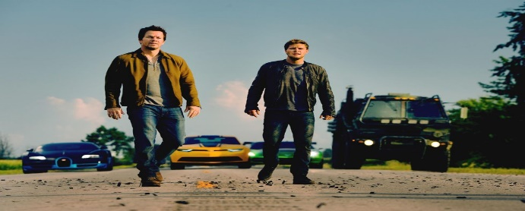 2014 | Transformers : Age of Extinction | $1.104 billion | Mark Wahlberg · Cade Yeager ; Nicola Peltz Beckham · Tessa Yeager ; Jack Reynor · Shane Dyson ; Stanley Tucci · Joshua Joyce ; Kelsey Grammer | Michael Bay | The effects are just as good, the battle scenes between the transformers is quite impressive. The Transformers are all has memorable has the human characters. Mark Wahlberg brings a lot of touches here has an inventor who finds a broken down Optumus Prime. Stanley Tucci is pretty funny has an over the top billionaire.
24 | 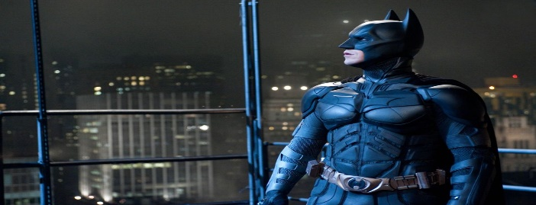 2012 | The Dark Knight Rises | $1.08 billion | Christian Bale, Michael Caine, Gary Oldman, Joseph Gordon-Levitt, Tom Hardy, Morgan Freeman, Anne Hathaway, Marion Cotillard, Matthew Modine | Christopher Nolan | t has been eight years since Batman (Christian Bale), in collusion with Commissioner Gordon (Gary Oldman), vanished into the night. Assuming responsibility for the death of Harvey Dent, Batman sacrificed everything for what he and Gordon hoped would be the greater good. However, the arrival of a cunning cat burglar (Anne Hathaway) and a merciless terrorist named Bane (Tom Hardy) force Batman out of exile and into a battle he may not be able to win.
25 | 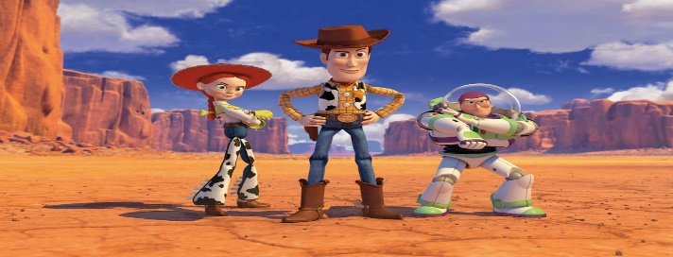 2010 | Toy Story 3 | $1.07 billion | Tom Hanks · Tim Allen · Joan Cusack · Ned Beatty · Don Reckless · Michael Keaton · Wallace Shawn · John Ratzenberger | Lee Unkrich | With their beloved Andy preparing to leave for college, Woody (Kim Seung-jun), Buzz Lightyear (Park Il), Jessie (Ham Soo-jeong), and the rest of the toys find themselves headed for the attic but mistakenly wind up on the curb with the trash. Woody's quick thinking saves the gang, but all but Woody end up being donated to a day-care centre. Unfortunately, the uncontrollable kids do not play nice, so Woody and the gang make plans for a great escape.

